RREMP
Pitkin County |  |  |  |  |  |  |  |  |  |  | Legend:
Residential Projects |  |  |  |  |  |  |  |  |  |  |  | User input cell.
Whole Project Energy Budget + RREMP Calculation |  |  |  |  |  |  |  |  |  |  |  | Output cell, not adjustable.

 |  |  |  |  |  |  |  |  | Complete and submit this page for Residential projects.

Project Name:

1. Home Energy Performance

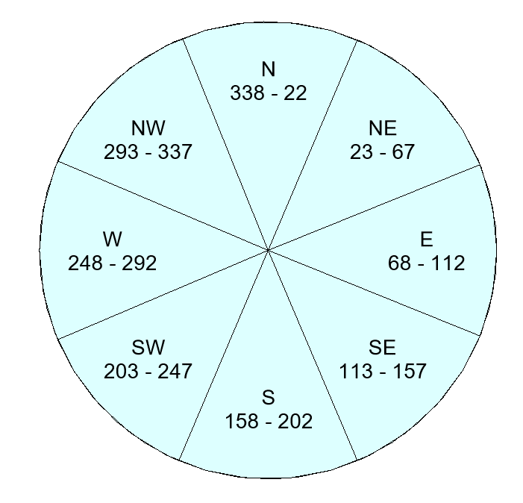
 | PV kW required to meet ERI 30 |  |  |  |  |  |  |  |  |  | Example Orientation angles:
 | PV array tilt angle used in HERS Analysis (units as roof pitch)* |  |  |  |  |  |  |  |  | /12
 | PV array orientation used in HERS Analysis*
 | Home size (for reference only)
 | Enter kW of PV required to reach ERI of 30, from REMRate Report. Preliminary value to be used at time
 | of permit submission. Final value to be entered when HERS rating is completed. REMate Report to
 | be submitted with this document.
 |  |  |  |  |  |  |  | equiv PV kW* | Payment in lieu
 |  |  |  |  |  |  | Options to offset Home Energy Performance: | 0.00 | $0.00
 | * Equivalent PV size used here is reduced because REMRate software increases the requried PV to
 | account for impacts of array orientation and roof angle. Reduced size used here avoids duplicate derating
 | from the REMRate output.

2. Exterior Energy Use Calculations (Section 201)

 | Application |  |  | sq. ft. |  | Efficiency |  | PV kW | Payment in lieu
 | Snowmelt: |  |  |  |  | 87.0% |  | 0.00 | $0.00

 | (1) Exempt Spa (64 sq. ft. or Less): |  |  |  |  | 100.0% |  | n/a | n/a

 | Spa:** |  |  |  |  | 87.0% |  | 0.00 | $0.00
 |  | **If more than one non-exempt spa, enter total area
 | Outdoor Pool:*** |  |  |  |  | 87.0% |  | 0.00 | $0.00
 |  | ***Meeting the Pool and Spa cover requirements as outlined in Section 201 is required to be eligible.
 |  |  |  | Watts
 | Heat Tape:**** |  |  |  |  | 100.0% |  | 0.00 | $0.00
 |  | ****Enter watts of electrical heat tape/trace/matt. 1,000 Watts are exempted,
 |  |  | enter total installed wattage in this cell.

 |  |  |  |  |  |  | Exterior Energy RREMP Payment Total: | 0.00 | $0.00

 |  |  | Sum of Sections 1 & 2: Offset requried |  |  |  |  | PV kW | Payment in lieu
 |  |  | (for reference only) |  |  |  |  | 0.00 | $0.00

3. Onsite Renewable Credits (Section 301)

 | Supplemental Energy Sources (options for on-site offset of projected energy consumption):
 |  |  |  |  |  |  |  | equiv PV kW | Credit applied
 | GSHP (Ground Source Heat Pump) |  |  |  | Btu | 0 |  | 0.00 | $0.00
 |  | From GSHP Btu capacity on GSHP tab. Complete and submit that sheet.
 | SHW (Solar Hot Water) |  |  |  | sq. ft. |  |  | 0.00 | $0.00
 |  | Use installed panel area
 | PV (to be installed on site) |  |  |  | kW | 0.00 |  | 0.00 | $0.00
 |  | From PV Generation tab. Complete and submit that sheet.
 | Alternative Renewable Energy Source |  |  |  |  |  |  | 0.00 | $0.00
 |  | From Alt Energy Source tab. Complete and submit that sheet.
 |  |  |  |  |  |  | Supplemental Energy Credit Total: | 0.00 | $0.00

4. Total RREMP Payment:
 |  |  |  |  |  |  |  | PV kW | Payment in lieu
 | Total from Home Energy and Exterior Energy (Sections 1 & 2): |  |  |  |  |  |  | 0.00 | $0.00
 | Total on-site mitigation (Section 3 above): |  |  |  |  |  |  | 0.00 | $0.00
 |  |  |  |  |  |  | Amount Pre-paid: |  | $0.00
 |  | Prepared by: |  |  |  |  | Total RREMP Due: |  | $0.00
 |  | email
 |  | phone

